OFFER
 |  |  |  |  |  | T | B | 24 | 26 | 28 | 30 | 32 | 34 | 36 | 38 | 40
 |  |  |  |  |  | T | D | XS | S | M | L | XL | XXL | XXXL | XXXXL | LT | 7445 | £75.42 | £561,530.00
Image | Range Name | Grade | Stock Code | Gender | Size Code | T | DD | XS | S | M | L | XL | 2XL | 3XL | 4XL | 5XL | STOCKS | RRP | RRP VALUE
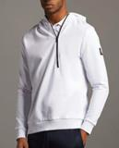 | LYLE & SCOTT Angle Zip Hoodie | A | ML1427V-626 | M | UK | T | D | 25 | 82 | 106 | 87 | 75 | 30 |  |  |  | 405 | £80.00 | £32,400.00
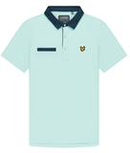 | LYLE & SCOTT Aviemore Polo | A | SP1463G-W328 | M | UK | T | D | 7 | 10 | 18 | 19 | 11 | 4 |  |  |  | 69 | £55.00 | £3,795.00
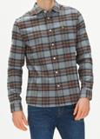 | LYLE & SCOTT Brushed Check Shirt | A | LW1404V-T28 | M | UK | T | D |  | 42 | 35 |  |  |  |  |  |  | 77 | £70.00 | £5,390.00
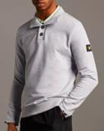 | LYLE & SCOTT Button Funnel Neck | A | ML1426V-D24 | M | UK | T | D | 8 | 29 | 46 | 39 | 19 | 4 |  |  |  | 145 | £75.00 | £10,875.00
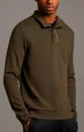 | LYLE & SCOTT Button Funnel Neck | A | ML1426V-W123 | M | UK | T | D | 20 | 78 | 111 | 98 | 54 | 19 |  |  |  | 380 | £75.00 | £28,500.00
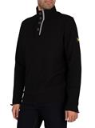 | LYLE & SCOTT Button Funnel Neck | A | ML1426V-Z865 | M | UK | T | D | 10 | 41 | 54 | 47 | 22 | 6 |  |  |  | 180 | £75.00 | £13,500.00
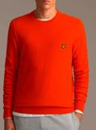 | LYLE & SCOTT Checkerboard Knit Crew Neck | A | KN1401V-W280 | M | UK | T | D | 10 | 28 | 18 | 27 | 21 | 23 |  |  |  | 127 | £80.00 | £10,160.00
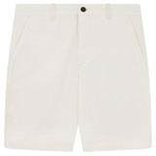 | LYLE & SCOTT Chino Short | A | SH800V-W120 | M | UK | T | B |  |  | 3 | 20 | 65 | 70 | 42 | 24 |  | 224 | £50.00 | £11,200.00
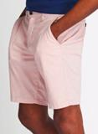 | LYLE & SCOTT Chino Short | A | SH800V-W320 | M | UK | T | B |  |  | 5 | 22 | 57 | 49 | 37 | 21 |  | 191 | £50.00 | £9,550.00
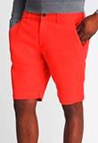 | LYLE & SCOTT Chino Short | A | SH800V-Z911 | M | UK | T | B |  |  | 2 | 32 | 35 | 39 | 12 | 39 |  | 159 | £55.00 | £8,745.00
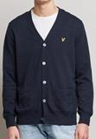 | LYLE & SCOTT Cotton Merino Cardigan | A | KN1455V-D24 | M | UK | T | D |  | 38 | 2 | 9 | 15 |  |  |  |  | 64 | £75.00 | £4,800.00
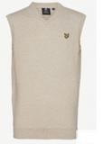 | LYLE & SCOTT Cotton Merino Vest | A | KN1456V-D24 | M | UK | T | D |  | 17 | 19 | 22 | 13 |  |  |  |  | 71 | £55.00 | £3,905.00
 | LYLE & SCOTT Cotton Merino Vest | A | KN1456V-Z865 | M | UK | T | D |  | 36 | 27 | 3 | 1 |  |  |  |  | 67 | £55.00 | £3,685.00
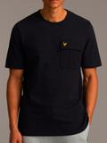 | LYLE & SCOTT Cotton Ripstop Pocket T-shi | A | TS1402V-Z271 | M | UK | T | D | 20 | 33 |  |  |  |  |  |  |  | 53 | £35.00 | £1,855.00
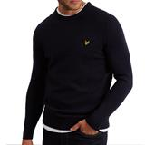 | LYLE & SCOTT Crew Neck Lambswool Blend J | A | KN921VF-W157 | M | UK | T | D | 4 | 37 | 19 | 10 |  |  |  |  |  | 70 | £80.00 | £5,600.00
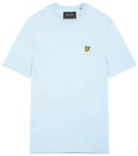 | LYLE & SCOTT Crew Neck T-Shirt | A | TS400VOGX-W319 | M | UK | T | DD |  |  |  |  | 10 | 24 | 12 | 3 | 5 | 54 | £25.00 | £1,350.00
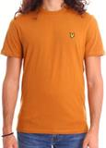 | LYLE & SCOTT Crew Neck T-Shirt | A | TS400VOGX-W324 | M | UK | T | DD |  |  |  |  | 39 | 78 |  |  | 6 | 123 | £25.00 | £3,075.00
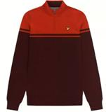 | LYLE & SCOTT Croft 1/4 Zip Pullover | A | KN1241G-W327 | M | UK | T | D | 3 | 6 | 15 | 16 | 11 | 7 |  |  |  | 58 | £90.00 | £5,220.00
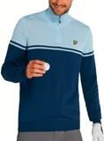 | LYLE & SCOTT Croft 1/4 Zip Pullover | A | KN1241G-Z780 | M | UK | T | D | 6 | 9 | 20 | 23 | 9 | 14 |  |  |  | 81 | £90.00 | £7,290.00
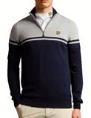 | LYLE & SCOTT Croft 1/4 Zip Pullover | A | KN1241G-Z906 | M | UK | T | D | 9 | 7 | 6 | 12 | 5 | 12 |  |  |  | 51 | £90.00 | £4,590.00
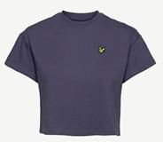 | LYLE & SCOTT Cropped T-shirt | A | TSW1202V-W347 | W | UK | T | D | 1 | 2 | 2 | 91 |  |  |  |  |  | 96 | £20.00 | £1,920.00
 | LYLE & SCOTT Cropped T-shirt | A | TSW1202V-W348 | W | UK | T | D | 1 | 2 | 2 | 48 | 13 |  |  |  |  | 66 | £20.00 | £1,320.00
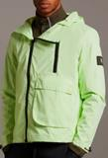 | LYLE & SCOTT Dual Zip Jacket | A | JK1427V-W379 | M | UK | T | D | 2 | 21 | 24 | 13 | 10 | 2 |  |  |  | 72 | £140.00 | £10,080.00
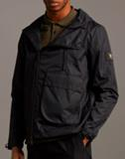 | LYLE & SCOTT Dual Zip Jacket | A | JK1427V-Z865 | M | UK | T | D | 9 | 40 | 78 | 73 | 42 | 11 |  |  |  | 253 | £140.00 | £35,420.00
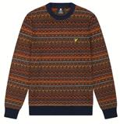 | LYLE & SCOTT Fair Isle Knit Jumper | A | KN1405V-Z271 | M | UK | T | D | 3 | 8 | 12 | 15 | 12 | 7 |  |  |  | 57 | £110.00 | £6,270.00
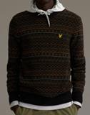 | LYLE & SCOTT Fair Isle Knit Jumper | A | KN1405V-Z865 | M | UK | T | D | 8 | 22 | 15 | 10 | 11 | 4 |  |  |  | 70 | £110.00 | £7,700.00
 | LYLE & SCOTT Fly Fleece Trackies | A | TR1484SP-Z146 | M | UK | T | D | 4 | 22 | 36 | 27 | 13 | 5 |  |  |  | 107 | £65.00 | £6,955.00
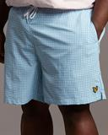 | LYLE & SCOTT Gingham Swim Short | A | SH1415VX-W342 | M | UK | T | DD |  |  |  |  | 13 | 23 | 36 | 12 | 5 | 89 | £45.00 | £4,005.00
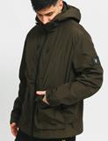 | LYLE & SCOTT Hooded Jacket | A | JK1425V-W123 | M | UK | T | D | 11 | 43 | 87 | 97 | 64 | 21 |  |  |  | 323 | £130.00 | £41,990.00
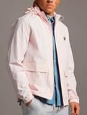 | LYLE & SCOTT Hooded Pocket Jacket | A | JK1410V-W320 | M | UK | T | D | 4 | 30 | 21 | 2 |  |  |  |  |  | 57 | £95.00 | £5,415.00
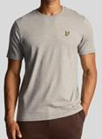 | LYLE & SCOTT Marled T-shirt | A | TS1432V-Z56 | M | UK | T | D | 9 | 23 |  | 7 |  | 16 |  |  |  | 55 | £25.00 | £1,375.00
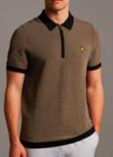 | LYLE & SCOTT Micro Repeat Jacquard Knitt | A | KN1415V-W281 | M | UK | T | D | 8 | 32 | 50 | 45 | 25 | 4 |  |  |  | 164 | £80.00 | £13,120.00
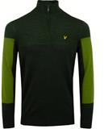 | LYLE & SCOTT Moffat 1/4 Zip Pullover | A | KN1361G-Z604 | M | UK | T | D | 7 | 16 | 42 | 45 | 32 | 17 |  |  |  | 159 | £90.00 | £14,310.00
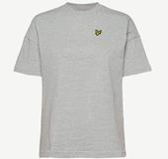 | LYLE & SCOTT Oversized T-shirt | A | TSW1201V-W348 | W | UK | T | D |  |  |  | 36 | 18 |  |  |  |  | 54 | £25.00 | £1,350.00
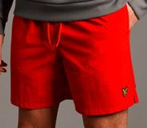 | LYLE & SCOTT Plain Swim Short | A | SH1204V-Z799 | M | UK | T | D | 4 |  | 36 | 1 |  | 22 |  |  |  | 63 | £40.00 | £2,520.00
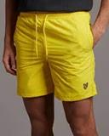 | LYLE & SCOTT Plain Swim Short | A | SH1204V-Z912 | M | UK | T | D | 2 | 7 |  |  | 43 |  |  |  |  | 52 | £40.00 | £2,080.00
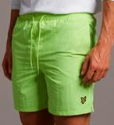 | LYLE & SCOTT Plain Swim Short | A | SH1204V-Z913 | M | UK | T | D | 32 | 12 |  | 1 | 17 |  |  |  |  | 62 | £40.00 | £2,480.00
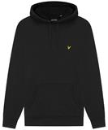 | LYLE & SCOTT Pullover Hoodie | A | ML416VTR-398 | M | UK | T | D | 4 | 2 | 16 | 20 | 15 | 1 |  |  |  | 58 | £65.00 | £3,770.00
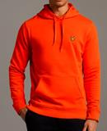 | LYLE & SCOTT Pullover Hoodie | A | ML416VTR-W280 | M | UK | T | D | 29 | 66 |  |  |  |  |  |  |  | 95 | £65.00 | £6,175.00
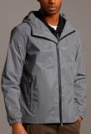 | LYLE & SCOTT Reflective Hooded Jacket | A | JK1429V-W378 | M | UK | T | D | 15 | 57 | 107 | 96 | 53 | 13 |  |  |  | 341 | £145.00 | £49,445.00
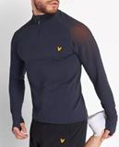 | LYLE & SCOTT Seamless Colour Reveal Mid | A | ML1365SP-W129 | M | UK | T | D | 6 | 19 | 37 | 20 |  |  |  |  |  | 82 | £70.00 | £5,740.00
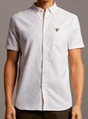 | LYLE & SCOTT Short Sleeve Light Weight | A | SW1304V-W398 | M | UK | T | D | 11 | 44 | 117 | 133 | 127 | 50 |  |  |  | 482 | £50.00 | £24,100.00
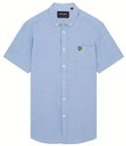 | LYLE & SCOTT Short Sleeve Light Weight S | A | SW1304VX-X41 | M | UK | T | DD |  |  |  |  | 3 | 39 | 43 | 42 | 36 | 163 | £50.00 | £8,150.00
 | LYLE & SCOTT Side Tape Shorts | A | SH1480SP-626 | M | UK | T | D | 3 | 28 | 41 | 36 | 23 | 9 |  |  |  | 140 | £65.00 | £9,100.00
 | LYLE & SCOTT Slim Sweat Pant | A | ML720VTR-Z865 | M | UK | T | D | 4 | 10 | 26 | 22 | 13 | 9 |  |  |  | 84 | £65.00 | £5,460.00
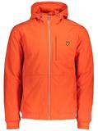 | LYLE & SCOTT Softshell Jacket | A | JK1424V-W280 | M | UK | T | D | 7 | 21 | 31 | 31 | 14 | 8 |  |  |  | 112 | £125.00 | £14,000.00
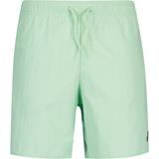 | LYLE & SCOTT Sports Swim Short | A | SH1266SP-W329 | M | UK | T | D |  | 16 | 40 | 19 | 10 |  |  |  |  | 85 | £40.00 | £3,400.00
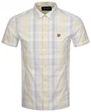 | LYLE & SCOTT SS Checked Shirt | A | SW1402V-W325 | M | UK | T | D | 14 | 37 | 91 | 106 | 100 | 41 |  |  |  | 389 | £60.00 | £23,340.00
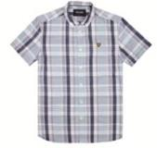 | LYLE & SCOTT SS Checked Shirt | A | SW1402VX-W319 | M | UK | T | DD |  |  |  |  | 5 | 14 | 24 | 18 | 13 | 74 | £60.00 | £4,440.00
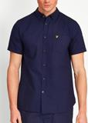 | LYLE & SCOTT SS Oxford Shirt | A | SW1208V-Z99 | M | UK | T | D | 19 | 38 | 56 |  |  |  |  |  |  | 113 | £50.00 | £5,650.00
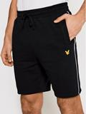 | LYLE & SCOTT Sweat Short with Contrast | A | SH1481SP-572 | M | UK | T | D |  | 21 | 14 | 56 | 34 | 23 |  |  |  | 148 | £55.00 | £8,140.00
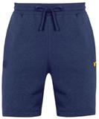 | LYLE & SCOTT Sweat Short with Contrast | A | SH1481SP-Z05 | M | UK | T | D |  | 8 | 21 | 15 | 13 | 9 |  |  |  | 66 | £55.00 | £3,630.00
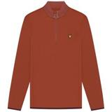 | LYLE & SCOTT Tech 1/4 Zip Midlayer | A | ML1241G-Z146 | M | UK | T | D | 7 | 4 | 26 | 15 | 18 | 10 |  |  |  | 80 | £70.00 | £5,600.00
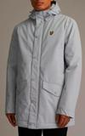 | LYLE & SCOTT Technical Parka | A | JK1346V-W248 | M | UK | T | D | 5 | 12 | 28 | 28 | 19 | 9 |  |  |  | 101 | £140.00 | £14,140.00
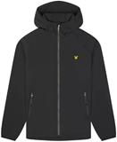 | LYLE & SCOTT Venture Core Jacket | A | JK1474SP-572 | M | UK | T | D | 1 | 20 | 21 | 17 | 1 | 1 |  |  |  | 61 | £90.00 | £5,490.00
 | LYLE & SCOTT Vest | A | TS1486V-W106 | M | UK | T | D | 9 | 30 | 22 |  | 4 | 1 |  |  |  | 66 | £20.00 | £1,320.00
 | LYLE & SCOTT Wool Blend Cardigan | A | KN1458V-398 | M | UK | T | D | 6 | 31 | 55 | 56 | 35 | 9 |  |  |  | 192 | £110.00 | £21,120.00
 | LYLE & SCOTT Zip Through Hooded Jacket | A | JK464V-J43 | M | UK | T | D | 2 | 3 | 11 | 21 | 17 | 11 |  |  |  | 65 | £85.00 | £5,525.00

